QOR_Path_Details
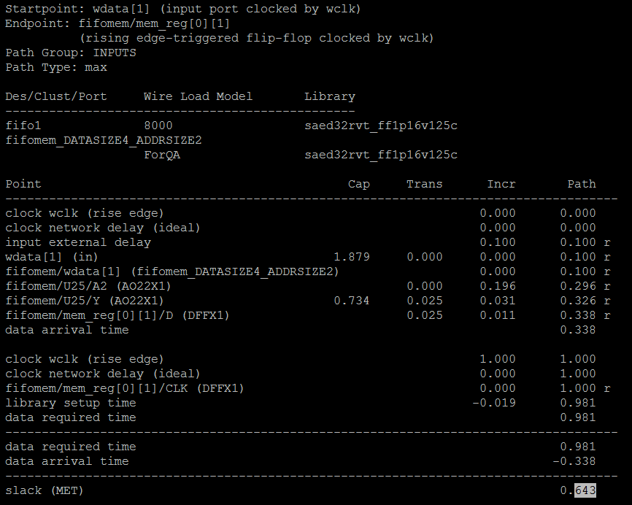
The objective of this GUI is to show in a pop up window, the details of the path that has the worst margin in QOR report:
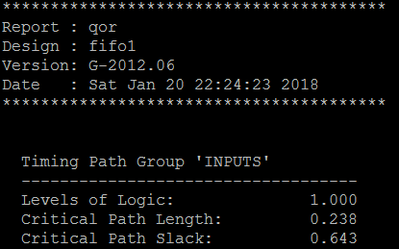
QOR report file lists the path with the worst margin.

Input files:

 | In this area: /u/ataur/CAPSTONE_GUI_2018/scripts

 | QOR_Report_File
 | QORs_Detailed_Timing_Report

Steps:

 | Start from a path group and find the Critical Path Slack

 | Then, from the QORs_Detailed_Timing_Report file, find the Path Group and the Slack that matches with that from QOR report file.

 | Show that single path from Startpoint till slack

Example:

 | For the "Timing Path Group 'INPUTS'" ==> the pop up GUI will have the one shown on the left:

 | From QOR_Report_File which matches the path from QORs_Detailed_Timing_Report

Single_Path_GUI
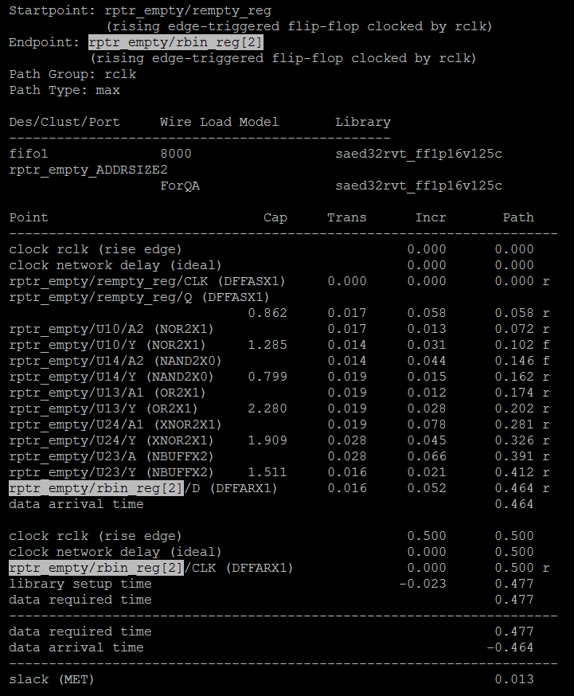
Inputs:
 | User will give Startpoint, Endpoint or Path Group which are in a file: Goal is to find the path and geneate Tables and Histograms
 | The input file is: /u/ataur/CAPSTONE_GUI_2018/scripts/QORs_Detailed_Timing_Report

 | Also, the user might just give a file with 1 single path and hence, no start/end point will be given.

Example:

 | User will give the following 3 inputs; or, may be only 1 of those 3 or none if the file has only 1 path:
 |  |  | For example
 |  | Startpoint | rptr_empty/rempty_reg
 |  | Endpoint | rptr_empty/rbin_reg[2]
 |  | Path Group: | rclk

Outputs:

 | We will have GUI in both Table and Histogram format for a single path asked by user which will be in a file name given by user

 | Based on the user input file and other user inputs (Startpoint, etc.), find the path with worst margin and then for that path:

 |  | Sort the file based on the value in Incr column
 |  | Sort the file based on the value in Cap column
 |  | Sort the file based on the value in Trans column

 | For the Table format, let's keep all the contents as in the origianl file.
 | When a user click on say, Cap then a pop up GUI will come up with Histograms to show the same values as in the Table but, in graphical format
 | The Histogram would be based on the sorted values of Cap for the above example in the line above.

 | Please make the script generic, meaning later on there may be more columns and hence, we will need to sort based on them also.

